1. Title Page
[Instacart Basket Analysis]

Project Name: Instacart Basket Analysis
Date: 07/23/2022
Analyst Name: Caden Sweet

Contents:
Population Flow
Consistency checks
Wrangling steps
Column derivations
Visualizations
Recommendations

Data Citation: “The Instacart Online Grocery Shopping Dataset 2017”, Accessed from https://www.instacart.com/datasets/grocery-shopping-2017 on 07/05/2022"

2. Population Flow
Title page

Population flow

Exclusion flag
Condition: max_order < 5
Obervations to be removed: 1,441,548
Final total count of order_products_all: 30,992,859

Orders_products_combined
Orders_products_merged
Orders_products_all

Total: 32,434,489
Total: 32,404,859
Total: 30,992,859

3. Consistency checks
 |  |  |  | Title page
Consistency checks

Dataset | Missing values | Missing values treatment | Duplicates
orders | 206,209 values missing in "days_since_prior_order" | Indicates first-time customer so new customer flag created | N/A
products | '"product_name" - 16 values | Amount of values too small to impact data as a whole so they were left blank | 5 values removed
products | "Prices"-values over $25 were removed | Prices-values over $25 were removed
orders_products_prior | N/A | N/A | N/A
customers | 11,259-first name missing values | Missing values did not impact data so there was no treatment | N/A

4. Wrangling steps
 |  |  |  | Title page
Wrangling steps

Columns dropped | Columns renamed | Columns' type changed | Comment/Reason
eval_set |  |  | Not needed
first_name |  |  | Removed for privacy
last_name |  |  | Removed for privacy
 | order_dow |  | Renamed to order_day_of_week for clarity
 |  | order_id | Changed from numeric to string
 |  | user_id | Changed from numeric to string
 | "First_Name" |  | Changed to first_name for consistency
 | "Last_Name" |  | Changed to last_name for consistency
 | "Gender" |  | Changed to "gender" for consistency
 | "STATE" |  | Changed to "state" for consistency
 | "Age" |  | Changed to "age" for consistency
 | "n_dependants" |  | Changed to number_of_dependants for consistency
 | "fam_status" |  | Changed to marital_status for consistency

5. Column derivations
 |  |  |  | Title page

Column derivations and aggregations

Dataset | New column | Column/s it was derived from | Conditions
orders_products_merged | max_order | order_number | Derived from order_number
orders_products_merged | loyalty_flag | max_order | 3 different groups created to show customer loyalty: Regular, Loyal, and New Customer.
orders_products_merged | user_spending | user_id, prices | Mean price per customer
orders_products_merged | spending_flag | user_spending | 2 groups created based on customer spending: Low and High Spender.
orders_products_merged | order_frequency | user_id, days_since_last_order | Median days since last order per customer.
orders_products_merged | order_frequency_flag | order_frequency | 3 Different groups created to show order frequency of customers: Non-frequent, Regular and Frequent Customer
orders_products_merged | price_range_loc | prices | 3 groups created to show price range of products: High, Mid and Low-Range.
orders_products_merged | busiest_days | orders_day_of_week | Loop to indicate which days are the busiest days of the week for orders. 3 groups created: Regular Busy, Busiest and Slowest Days.
orders_products_merged | busiest_period_of_day | order_hour_of_day | Loop to indicate when the busiest times of the day are based off of orders. 3 groups created: Most, Average and Fewest Orders.
orders_products_altered | activity_flag | max_order | Flag based on the amount of orders a customer has made.
df_use_this_one | region | state | US States grouped into 4 regions: Northeast, Midwest, South, West.
df_use_this_one | age_profile | age | Created 3 different age groups: Young Adult, Adult, Senior.
df_use_this_one | income_profile | income | Created 3 different income groups: Lower, Middle and Upper.
df_use_this_one | goods_profile | department_id | Clearly defined each department of products.
df_use_this_one | dependants_profile | number_of_dependants | Created 2 different dependants groups: Dependants and No Dependants.
df_use_this_one | customer_profile | age_profile, income_profile, dependants_profile | Profiled customers based on their age, income and dependants groups.

6. Visuals & Recommendations
 | Title page

Visualisations

The sales team needs to know what the busiest days of the week and hours of the day are (i.e., the days and times with the most orders) in order to schedule ads at times when there are fewer orders.

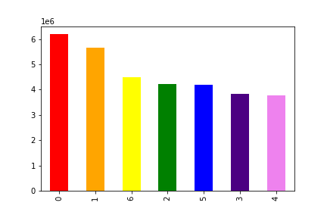

The chart shows the busiest days of the week with "0" being Saturday followed by Sunday (1) and Friday (6). The other chart shows when orders are placed throughout the day with 0-6 being the slowest and 9-16 being the busiest times.

Rec: Ads should be targeted on Monday-Thursday when there are the fewest orders. Between midnight and 6am and then again between 4pm-midnight is when they should target the ads daily since those are the slowest times of the day for orders.

They also want to know whether there are particular times of the day when people spend the most money, as this might inform the type of products they advertise at these times.

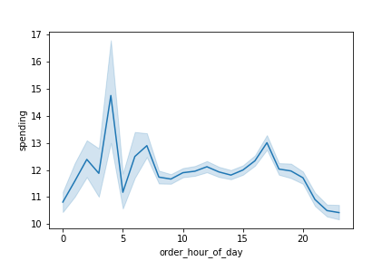

There is a peak in spending around 3-4.

Rec: Peak spending is around 3 and 4 so more expensive items can be pushed during this time.

Instacart has a lot of products with different price tags. Marketing and sales want to use simpler price range groupings to help direct their efforts.

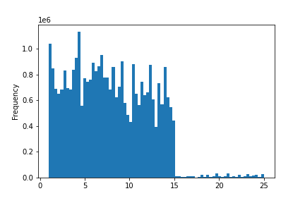

This chart shows the frequency of products based off of their price. The majority of products are priced below $15.

Rec: Since most products fall under $15 they should have price range groupings for them. .99-4.99, 5-9.99 and 10-14.99 for instance.

Are there certain types of products that are more popular than others? The marketing and sales teams want to know which departments have the highest frequency of product orders.

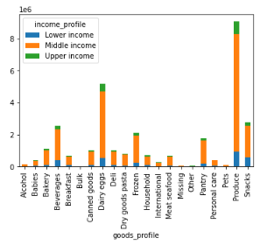

Produce is the most popular product.

Rec: Produce, dry goods, beverages and snacks are the most popular departments. These items could be pushed more through ads to increase their popularity/sales or the lesser departments could be targeted in an effort to increase their sales.

What’s the distribution among users in regards to their brand loyalty (i.e., how often do they return to Instacart)?

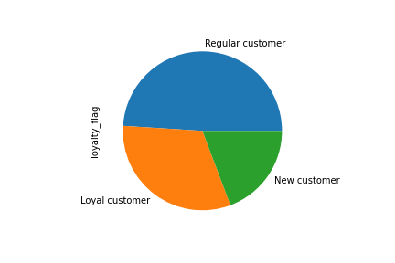

Regular customers make up the base of Instacart customers.

Rec: Regular customers make up almost half of Instacart's base so they should be the primary focus. To turn those regular customers into loyal customers, regular customers could be targed with coupons to ensure they keep using the service.

Are there differences in ordering habits based on a customer’s loyalty status?

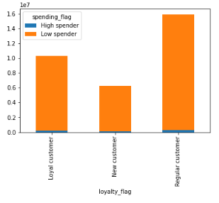

Rec: All groups only have a small percetenage of high spenders compared to their low spenders. Discount codes could be given out when customers spend over a certain amount to get them to spend more.

Are there differences in ordering habits based on a customer’s region?
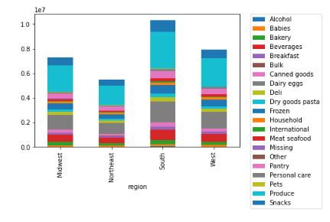

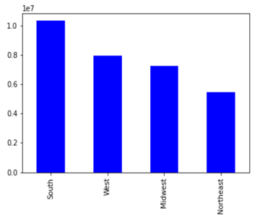

The south is the region that spends the most.

Rec: Ordering habits with regards to products is similar in all regions, however, since the south purchases the most then Instacart could carry more products that are more popular to that region.

Is there a connection between age and family status in terms of ordering habits?

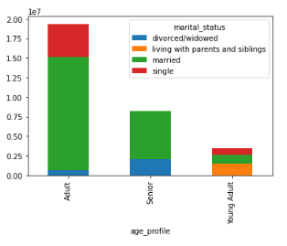

Young adults make up the smallest group of customers and as people get older you will find less single households

Rec: Discount could be given to college students to expose more of them to the service.

What different classifications does the demographic information suggest? Age? Income? Certain types of goods? Family status?

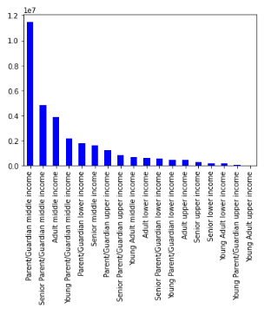
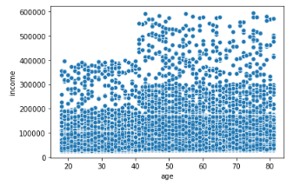

Persons over 40 years of age have the higest income. Parents/Guardians with middle income
make up the bulk of Instacart customers.

Adults, aged 25-64, make up the largest base of customers.

Rec: Since individuals over 40 have the largest income, these individuals could be targeted to further increase sales. The items they are most likely to purchase could be determined and then marketed more to them since they have the largest incomes.

